Table 1
QC-STEEL-002 - Girders
Information
24-222 - G1B
Quality Control
Friday, October 4th 2024, 2:45 PM (PDT -07:00)
Pre Start Up
Job Name: | Emerson 110' Comp.
Job Number - Girder ID: | 24-222 - G1B
Location: | Surespan Structures
Project Manager: | Wimpie Bouillon
Material Check Completed
Date of Inspection: | September 20, 2024
Pre Girder Fabrication (Beam Machine / Jig) - Web and Flange Check
Web / Flange # Web
Camber / Sweep
Length
Width
Thickness
Date of Inspection: | September 20, 2024
Pre Girder Fabrication (Beam Machine / Jig) - Web and Flange Check
Web / Flange # Top Flange
Camber / Sweep
Length
Width
Thickness

Date of Inspection: | September 20, 2024
Pre Girder Fabrication (Beam Machine / Jig) - Web and Flange Check
Web / Flange # Bottom Flange
Camber / Sweep
Length
Width
Thickness
Date of Inspection: | September 20, 2024
Post Girder Fabrication (Beam Machine / Jig) Fitment / Weld Check
Welders - Web to Bottom Flange: | Angelo Pacchiano, Mathew Simpson
Web to Bottom Flange QC Checked: | Roderick Thiessen
Web To Bottom Flange Correct:
Welders - Web to Top Flange: | Angelo Pacchiano, Mathew Simpson
Web to Top Flange QC Checked: | Roderick Thiessen
Web to Top Flange Correct:
Yes No NA Do S.A.W. Welds Meet W59 Standard?
Date of Inspection: | September 27, 2024
Stiﬀener Layout and Welding Check (N/S) Near Side
(N/S) Near Side Stiﬀener(s) / Endplate(s) Layout Conducted by: | Kevin Anderson, Rovaun Malan
(N/S) Near Side Stiﬀener(s) / Endplate(s) Layout Veriﬁed by: | Roderick Thiessen
(N/S) Near Side Stiﬀener(s) / Endplate(s) Layout Correct:
(N/S) Near Side Stiﬀener(s) / Endplate(s) Fit Up by: | Jeremy Ras
(N/S) Near Side Stiﬀener(s) / Endplate(s) Fit Up Veriﬁed by: (QC) | Roderick Thiessen
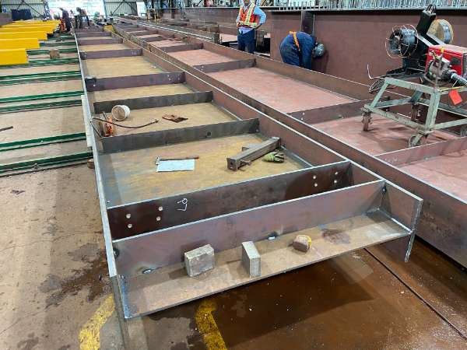 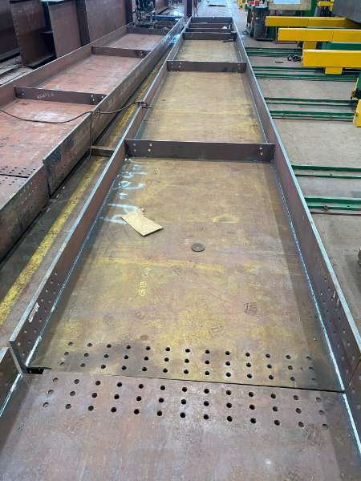
(N/S) Near Side Stiﬀener(s) / Endplate(s) Welded by: Hannes Erasmus, Owen Ketch, Bennie Nieuwoudt, Bryan Scrimbit
(N/S) Near Side Stiﬀener(s) / Endplate(s) Welds Correct:
Yes No NA Do all welds on Stiﬀeners / Endplates Meet W59 Standards?
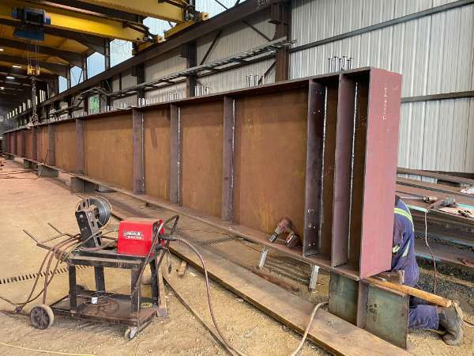 (N/S) Near Side Stiﬀener(s) / Endplate(s) Welds Veriﬁed by: Roderick Thiessen (QC)
Date of Inspection: October 2, 2024
Stiﬀener Layout and Welding Check (F/S) Far Side
(F/S) Far Side Stiﬀener(s) / Endplate(s) Layout Conducted Hannes Erasmus by:
(F/S) Far Side Stiﬀener(s) / Endplate(s) Layout Veriﬁed by: Roderick Thiessen (QC)
(F/S) Far Side Stiﬀener(s) / Endplate(s) Layout Correct:
(F/S) Far Side Stiﬀener(s) / Endplate(s) Fit Up by: Hannes Erasmus
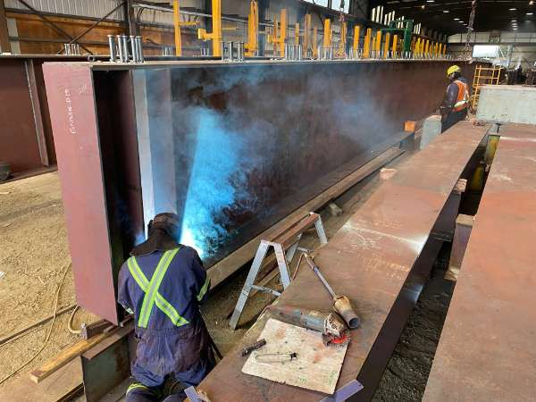 (F/S) Far Side Stiﬀener(s) / Endplate(s) Fit Up Veriﬁed by: Roderick Thiessen (QC)
(F/S) Far Side Stiﬀener / End Plate(s) Welded by: Hannes Erasmus
(F/S) Far Side Stiﬀener / End Plate(s) Welds Correct:
Yes No NA Do all welds on Stiﬀeners / Endplates Meet W59 Standards?
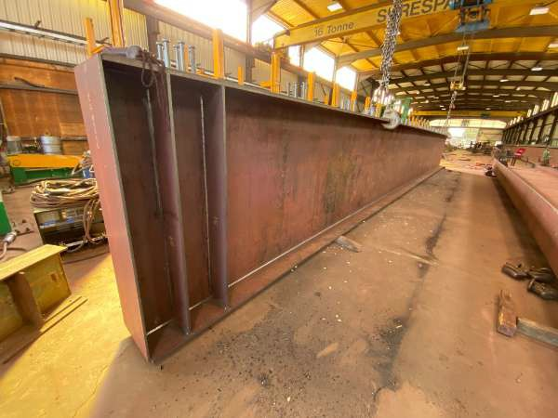 (F/S) Far Side Stiﬀener / End Plate(s) Welds Veriﬁed by: (QC) Roderick Thiessen
Date of Inspection: October 2, 2024
Studs/Holes
Studs/Holes Laid Out by: Owen Ketch
Work Carried Out by: Owen Ketch
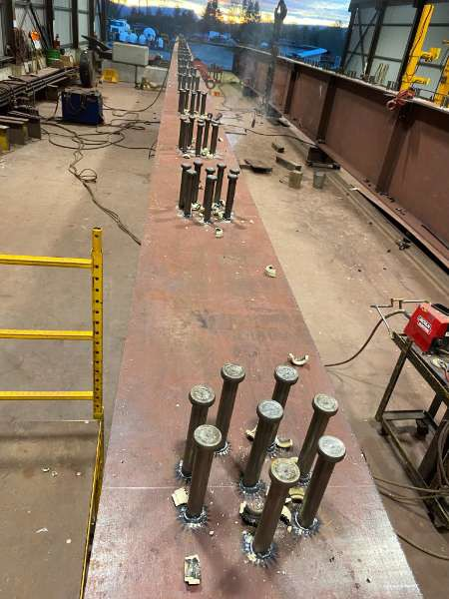 Studs/Holes - Veriﬁed by: (QC) Roderick Thiessen
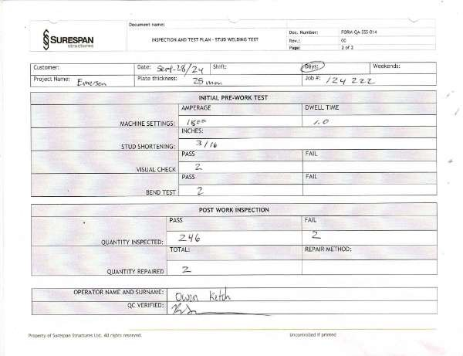 Passes/Fails 110 2 Stud repairs completed by Hannes Erasmus (Weld ﬁllet)
Date of Inspection: October 2, 2024
Final QC
Have Edges been broken?
Have holes been deburred?
Smoke / Spatter / Markings Cleaned?
Date of Inspection: October 2, 2024
Additional Photos
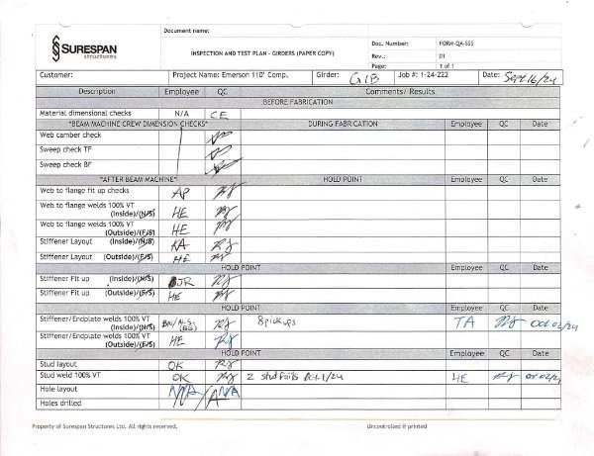 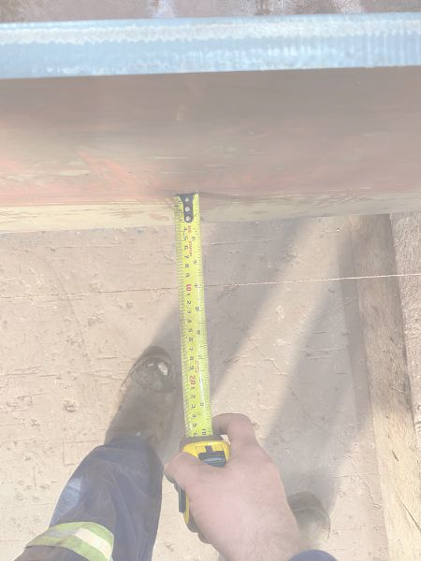 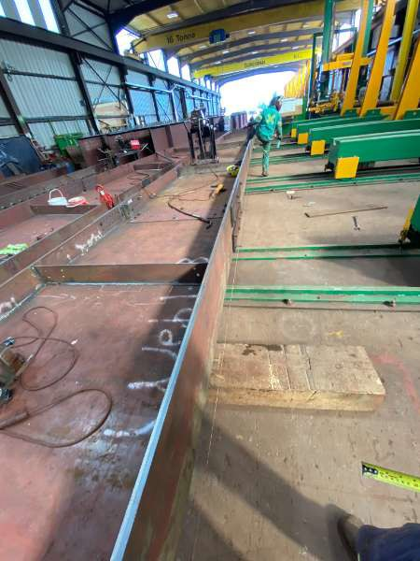 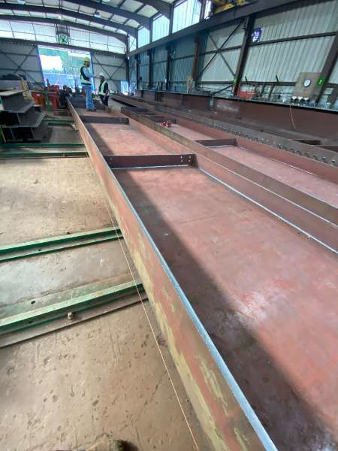 Combined A & B camber check on G1 line (101mm)
Signatures
Roderick Thiessen, Welder October 4th 2024, 2:45 PM (PDT -07:00) 48.8057413, -123.7597633

